Problem 4
ISM-C1004 - Business Analytics 1 - Assignment 3 (Total 28 points)

Non-linear resource allocation in marketing (5 pts)
GearSledge Ltd. is an online retailer of outdoors-equipment. They spend 150,000 euros annually on marketing. The analysts at GearSledge have looked at historical data on marketing expenditures and the impact they have had on obtaining new customers. Based on this analysis they found that the relationship between marketing expenditure in euros ($x_{i}$) and the resulting increase in new customers $(C_{i}\left(x_{i}\right))$ is chraractarized by the non-linear regression model
$$C\left(x_{i}\right)=a_{i}+b_{i}\frac{exp⁡(c_{i}x_{i})}{1+ exp(c_{i}x_{i})} ,$$
where model coefficients $a_{i}$, $b_{i}$ and $c_{i}$ depend on the type of media (see Table 1).
GearSledge has hired you to build prescriptive analytics tools to support marketing allocation decisions. GearSledge's new policy is that more should be spent on internet marketing (Podcasts, Social media) than on traditional media (TV, radio). Moreover, to meet prior contractual commitments at least 30 keuros must be spent on TV.
Task (a): Develop a visualization that shows the new customers obtained as a function of marketing expenditure for each media in a single figure. Clearly label axes and graphs (1p)
The visualization has been implemented on the right of this answer sheet
Task (b): Mathematically formulate an NLP problem that identifies the allocation of marketing expenditures so that the number of new customers is maximized, while budget, policy and contractual constraints are satisfied. (2p) [HINT: You can use the symbols $a_{i},b_{i}, c_{i}, x_{i}$ to make the formulation more compact. WARNING: $C\left(x_{i}/1000\right)≠C\left(x_{i}\right)/1000$ ]
We aim to maximize the total number of new customers acquired through various marketing channels, given a fixed budget and specific constraints. We use the non-linear regression model provided for each type of media to calculate the increase in customers based on the marketing expenditure for that channel.
Decision variables:
$x_{i}$​: Marketing expenditure in euros for media i, where i = 1 is for TV, 2 for Podcasts, 3 for Radio, and 4 for Social Media.
Parameters:
$a_{i}$,$b_{i}$​,$c_{i}$​: Coefficients for the non-linear regression model for each media type.
$C\left(x_{i}\right)$: Increase in new customers due to marketing expenditure xi​ in media i, defined as
$$C\left(x_{i}\right)=a_{i}+b_{i}\frac{exp(c_{i}x_{i})}{1+ exp(c_{i}x_{i})}$$
Total marketing budget: 150,000 euros.
Objective Function:
Maximize the total number of new customers across all media channels:
$max z=\sum_{i=1}^{4}{C\left(x_{i}\right)}= \sum_{i=4}^{4}{a_{i}+b_{i}\frac{exp(c_{i}x_{i})}{1+ exp(c_{i}x_{i})}}$
Constraints:
Budget constraint:
The total expenditure on marketing should not exceed the annual budget of 150,000 euros.
$\sum_{i=1}^{4}{x_{i}≤}\text{150,000}$
Policy constraint:
More should be spent on internet marketing (Podcasts and Social Media) than on traditional media (TV and Radio). Since strict inequality is not supported, we should add a tiny amount of money (1 euro) to convert it into a $≥$ sign.
$x_{2}+x_{4}≥x_{1}+x_{3}+1$
Contractual constraint:
At least 30,000 euros must be spent on TV.
$x_{1}≥30000$
Non-Negativity constraint:
Marketing expenditure for each media type should be non-negative.
$x_{i}≥0$ for all i
This formulation is a nonlinear problem due to the exponential terms in the objective function.
Task (c): Implement the NLP model using spreadsheets, solve it, and report the optimal allocation. (2p) [HINT: Give a feasible starting solution for the solver]
The feasible starting solution for the solver I used is TV: 30000€, Podcasts: 50000€, Radio: 10000€, Social Media: 50000€
The NLP model has been implemented on the right, and it is solved with GRG nonlinear solver
The optimal allocation found is:
TV: 45790.4€,
Podcasts: 37314.7€,
Radio: 20691.5€,
Social Media: 46203.3€
Number of expected increased customers: 6338 customers
Grading
a) Is the visualization appropriate (0-1pts)
b) Is the formulation reasonable? (+0-2pts)
Formulation is reasonable and correct. (Note that multiple equivalent formulations exist.) (2 pts)
Formulation is reasonable, but there are minor mistakes (1pts)
Formulation is reasonable, but there are major mistakes. (0.5pts)
Completely unreasonable or no mathematical formulation given. (0 pts)
c) Does the spreadsheet implementation work? (+0-2pts)
Solver set up. The variables are clearly named and the cell values correspond to the objective function and constraint coefficients. (2pt)
Small errors (1pt)
There are major errors in the spreadsheet implementation. (0.5pt)
No spreadsheet implementation given. (0 pts)

 |  | Part (a) Visualization

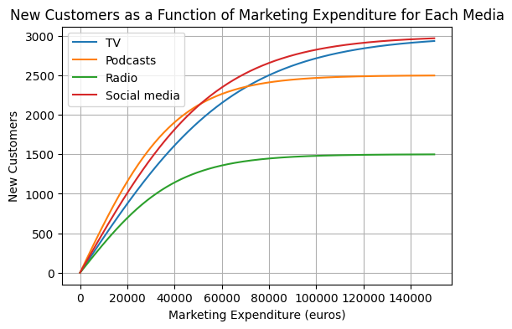

 |  |  | i | ai | bi | ci
 |  | TV | 1 | -3000 | 6000 | 0.00003
 |  | Podcasts | 2 | -2500 | 5000 | 0.00005
 |  | Radio | 3 | -1500 | 3000 | 0.00005
 |  | Social media | 4 | -3000 | 6000 | 0.000035

 |  | Decision variables |  | x1 | x2 | x3 | x4
 | Constraint # | 30000 | <= | 45790.39914 | 37314.744032 | 20691.547851 | 46203.309197 | 150000.00022 | <= | 150000 | Constraint # Budget
 | Contract on TV |  | exp(cixi) | 3.9499857614 | 6.460696967 | 2.8139168021 | 5.0385373009
 |  |  | C(xi) | 1787.8753012 | 1829.8213261 | 713.40706794 | 2006.3818933 | 6337.4855886 | Objective: maximize number of customers

 | Constraint # Policy |  | x2 + x4 |  | x1 + x3
 |  |  | 83518.053229 | >= | 66482.946991

 |  | Initial solution for solver |  | 30000 | 50000 | 20000 | 50000

